Sheet1
SQP # | Image | Quilt Name
1 |  | Roe St. Coverlet Macclesfield , Cheshire
2 |  | St, Peter's Church Sunday School Coverlet, Pickering, N Yorkshire
3 |  | Brampton Signature Quilt, PM Church, Cumbria
4 |  | Frodsham Signature Coverlet, Frodsham, Cheshire
5 | 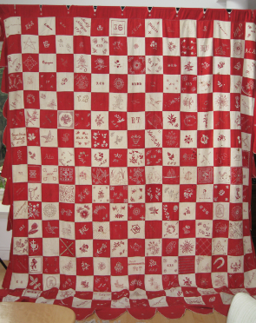 | All Hallows Anglican Concvent Coverlet
6 | 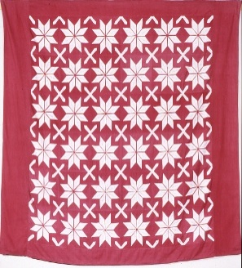 | St John's Anglican School Bazaar Coverlet
7 | 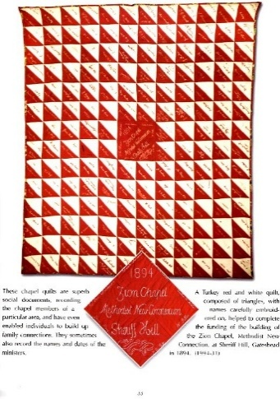 | Sherrif Hill Zion Chapel Quilt
8 | 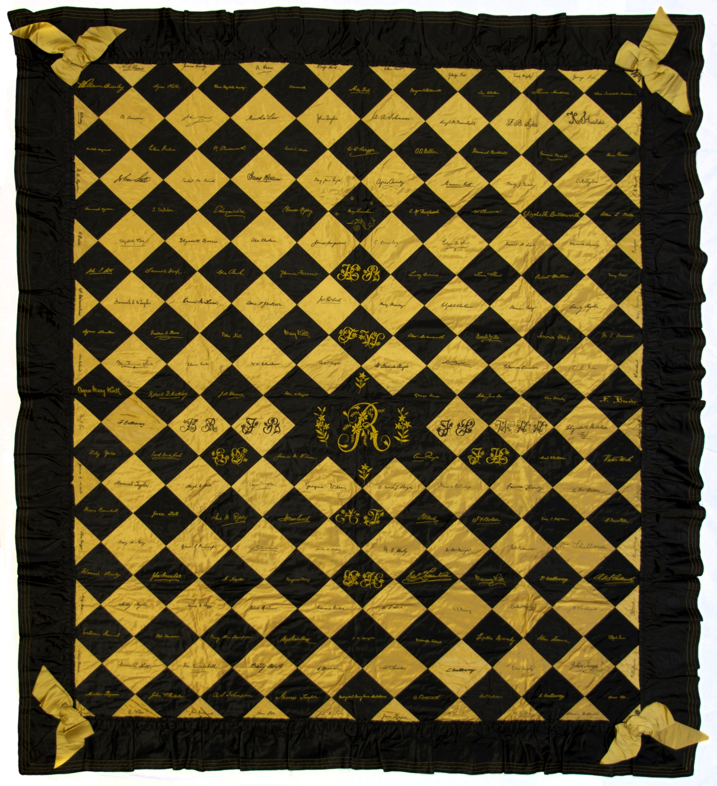 | Mrs JT Worth's Autograph Quilt
9 | 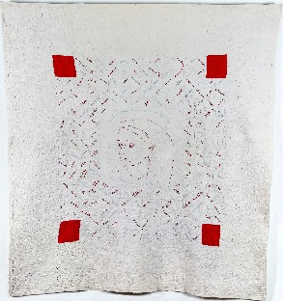 | Tyneside (Jarrow) Signature Quilt
10 |  | Easton Wesleyan Day School Bazaar Quilt
11 | 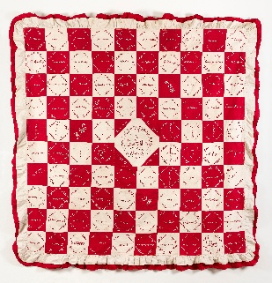 | Sherrif Hutton Quilt
12 | No image available | From Quilts & Coverlets, by Rosemary Allen, Cat# 250 p203
13 | 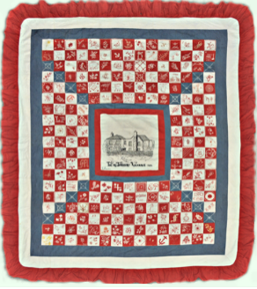 | Thornbury Coverlet (aka Mrs Chambers' Quilt)
14 |  | From Quilts & Coverlets, by Rosemary Allen, Beamish Museum Cat# 1993-236
15 | 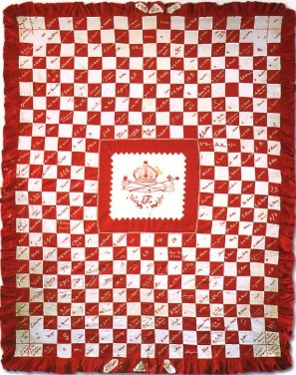 | Lanchester Chapel Quilt From Quilts & Coverlets, by Rosemary Allen, p86
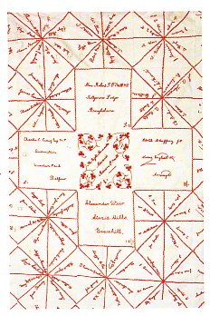 16 |  | Irish Bazaar Coverlet From Quilts of the British Isles by Janet Rae, p106
17 | No image available | In Quilt Treasures 1985 p181
18 | No image available | Collection Of Gawthorpe Hall, Lancs
19 | 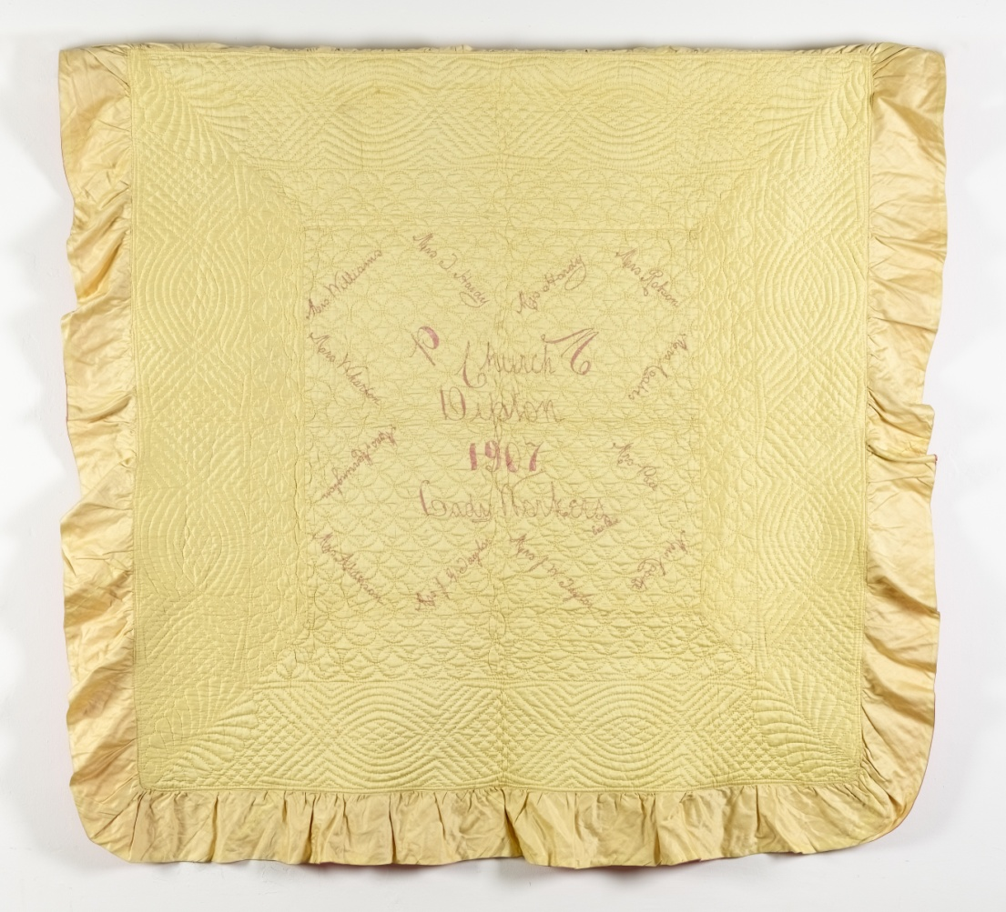 | Dipton Wholecloth Lady Workers' Signature Quilt
20 | 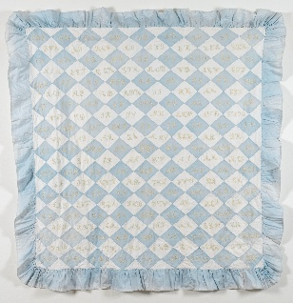 | Zion Independent Chapel Coverlet
21 |  | St George's (Altrincham) Signature Coverlet
22 |  | Bosley Signature Coverlet, Bosley, Cheshire
23 | 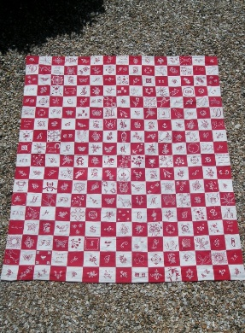 | Bratton Baptist Bazaar Coverlet
24 |  | Rehoboth Welsh Methodist Chapel Quilt
25 |  | Birtly PM Church Victory Bazaar Coverlet From Quilts & Coverlets, by Rosemary Allen, p86
26 | 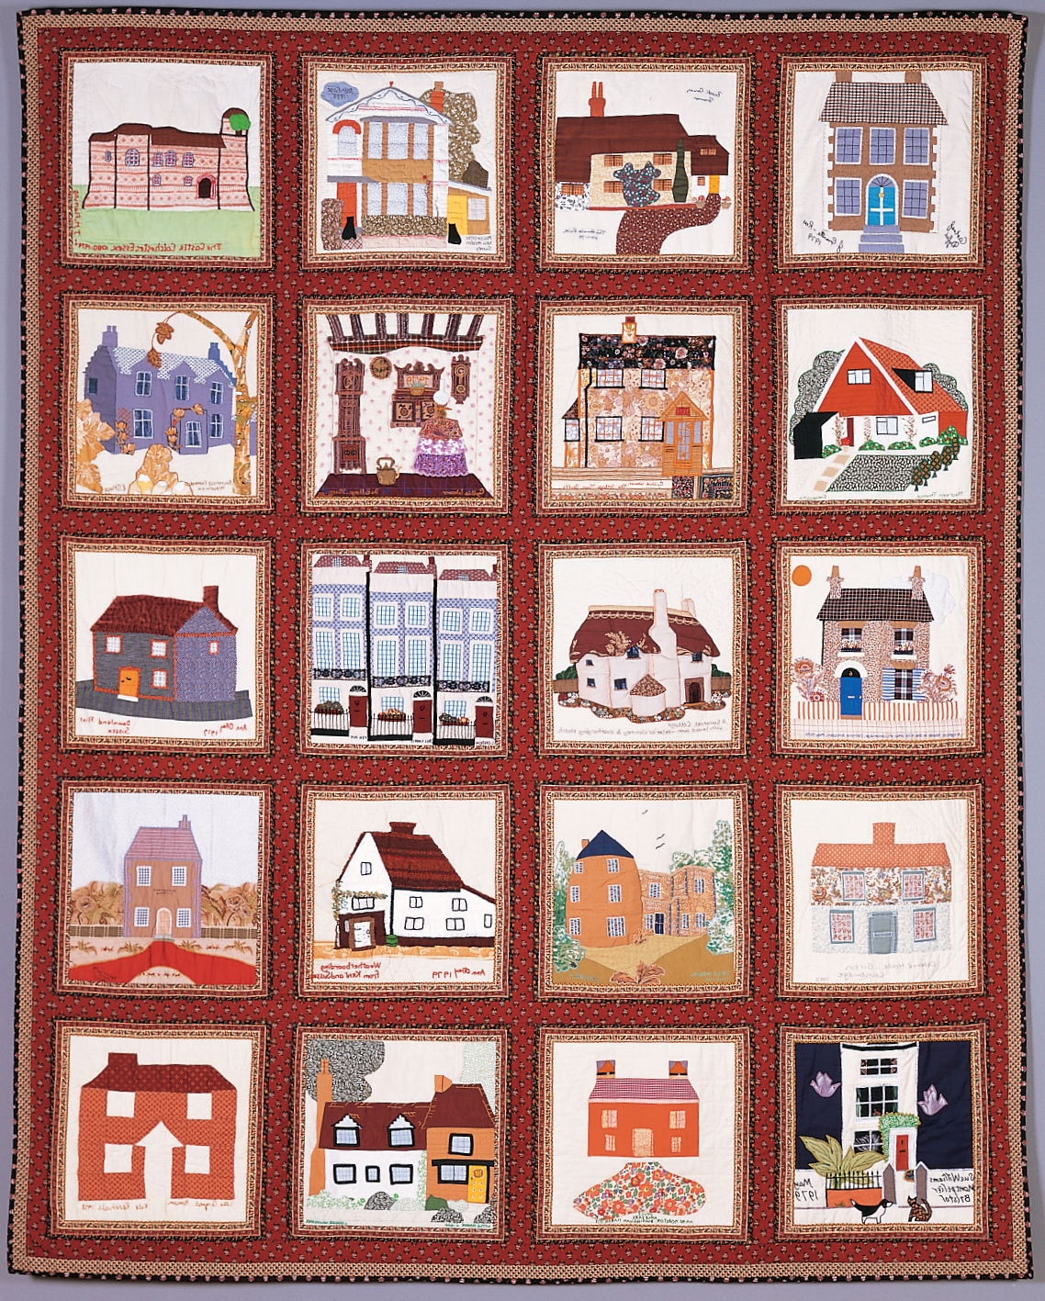 | House Blocks Quilt QGBI Collection
27 |  | Cambridge Quilt QGBI Collection
28 | 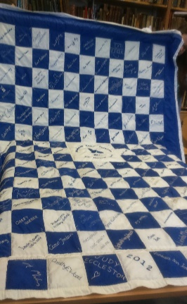 | Macclesfield Silk Quilt
29 | 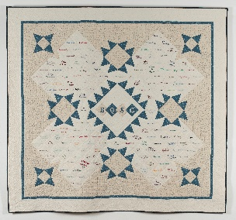 | BQSG Signature Fundraiser
30 |  | Please Sign Here Quilt
31 | 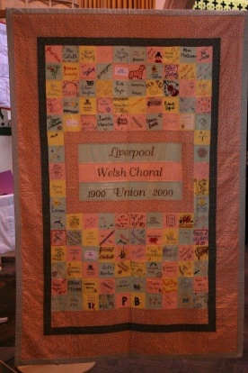 | Welsh Choral Union Centenary Quilt
32 |  | Titanic Centenary Quilt
33 | 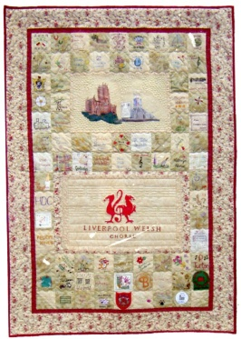 | Cologne Friendship Quilt
34 | No image available | Barker Family Quilt #1
35 | No image available | Barker Family Quilt #2
36 |  | Greengates Wesleyan Sunday School Quilt
37 | No image available | Hewson Family Quilt
38 | No image available | Maxwell Family Record Quilt
39 | 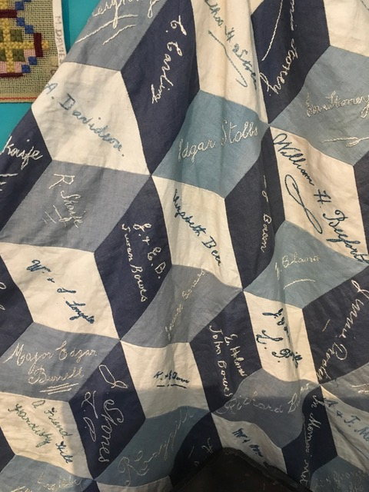 | Pateley Bridge Wesleyan Chapel Quilt
40 |  | Pontypridd Baptist Centenary Quilt
41 | 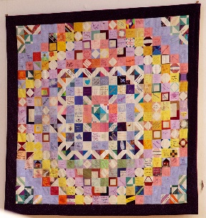 | QGBI 25th Anniversary Quilt
42 | 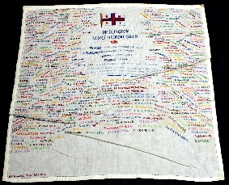 | One of 3 RNLI Bridlington quilts 2 more images available
43 | 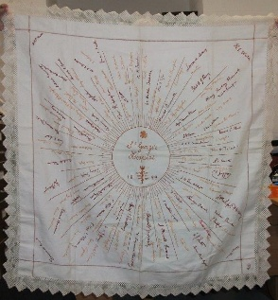 | St George's Hospital Tablecloth
44 |  | Connor Presbyterian Bazaar Quilt
45 | No image available | Tannybrake School Quilt
46 |  | Wendover Quilt
47 | No image available | Wilsill Chapel Signature Quilt
48 |  | Lady Woodward's Tablecloth
49 |  | British Antarctic Exploration Tablecloth
50 | 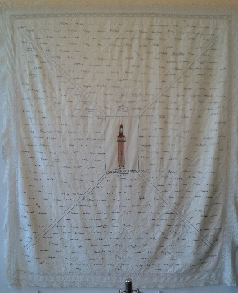 | Loughborough Carillon Quilt
51 |  | Leazes Hospital Wounded Soldiers Bedspread
52 | 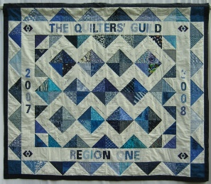 | Region 1 Signature Fundraiser
53 |  | Tockholes Church Quilt
54 | No image available | Gourock/Dunoon Baptist Church Quilt
55 |  | Bowerham Congregational Church Coverlets (2)
56 | 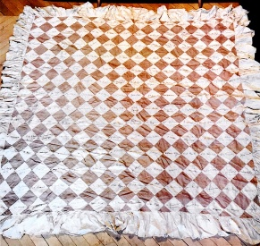 | Haslingden Quilt
57 | 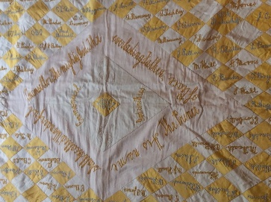 | Yellow Diamonds Quilt
58 |  | Marsden Coverlet
59 |  | Hawick Commemorative Quilt
60 | 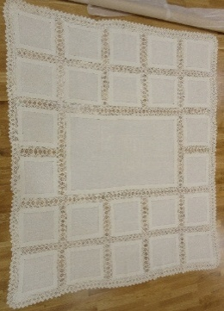 | Hawick Altar Cloth
61 | 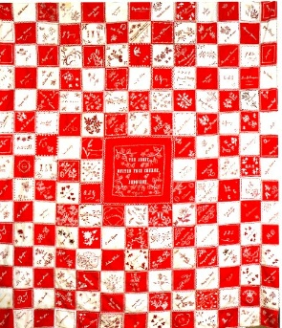 | Jedburgh United Free Church Coverlet
62 |  | Suffragette Banner
63 | 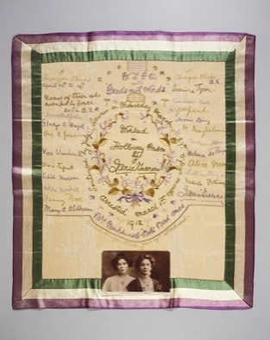 | Suffragette Panel
64 |  | Midlothian Red Cross Coverlet
65 | 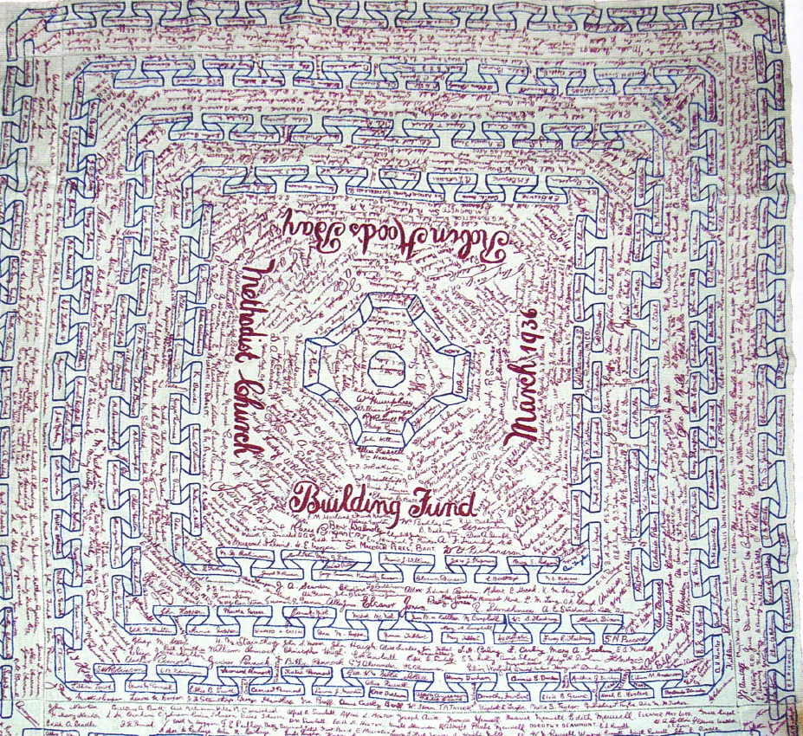 | Robin Hood's Bay Quilt
66 |  | Nunnington Hall Quilt
67 |  | Thirsk Museum Quilt
68 | No image available | Gateshead PM Bazaar Quilt
69 | No image available | Heaton Congregational Bazaar Quilt
70 | No image available | Magheramorne Presbyterian Quilt
71 | No image available | The Zenana Mission Quilt
72 | 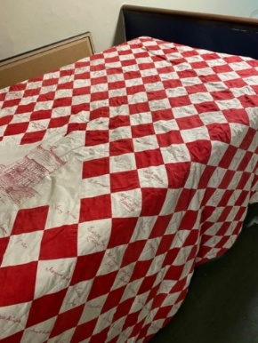 | Haslingden Church Institute Quilt
73 |  | Coates English Flag Signature Cloth

